Sheet1
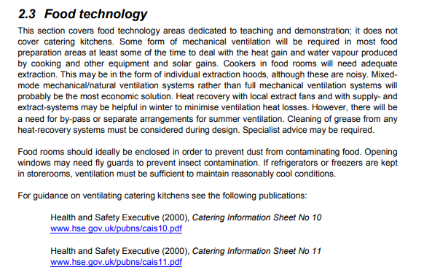
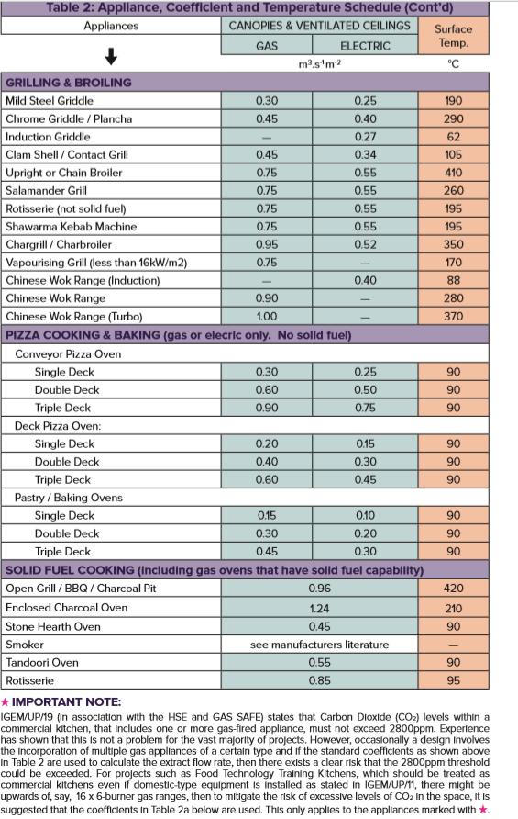
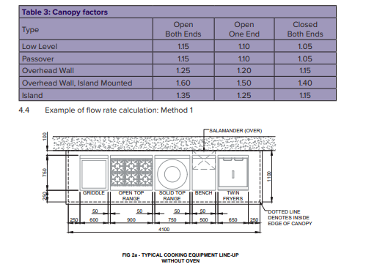
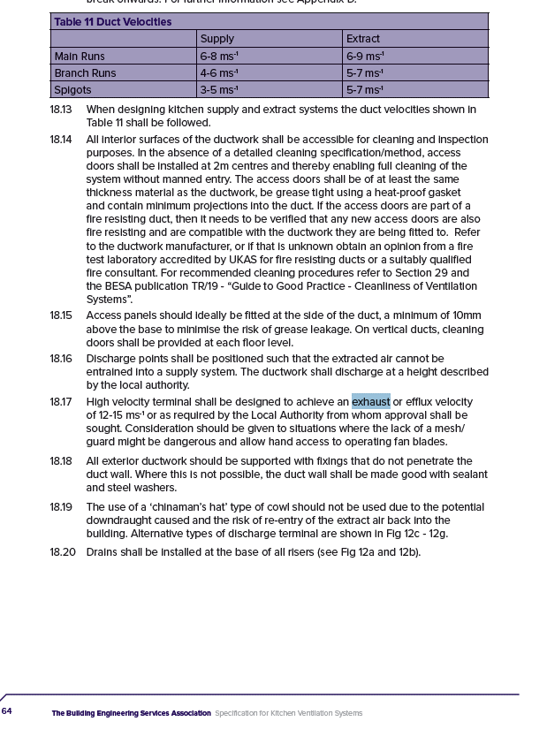
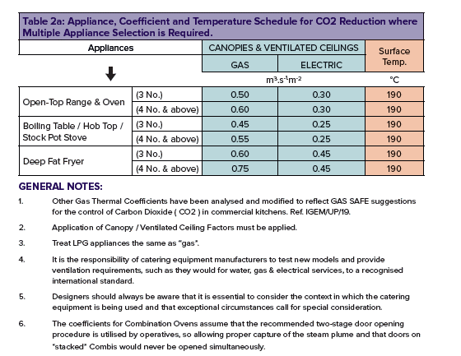
 |  |  | Project No.
 |  |  | Project
 |  |  | Title
 |  |  | Schedule No.
 |  |  | Revision
 |  |  | Date

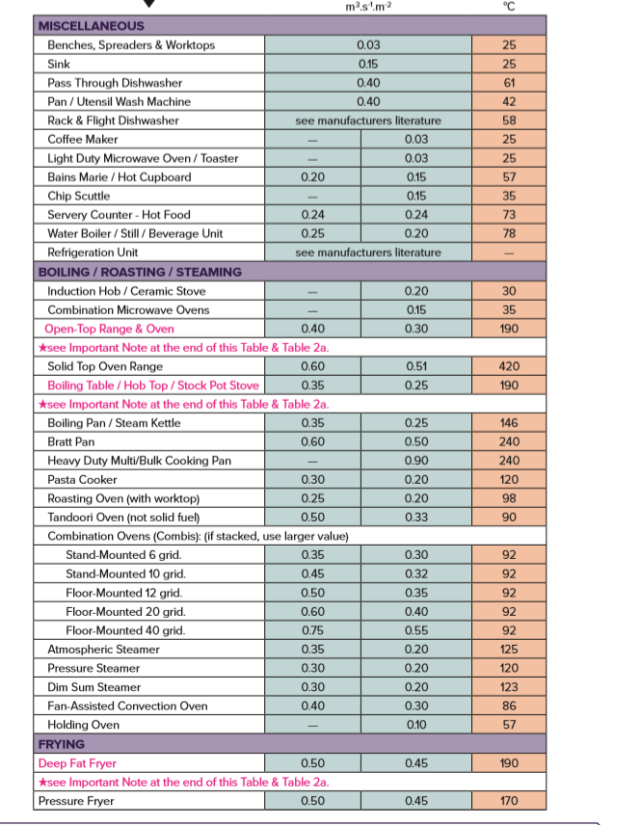
Thermal Convection Method Calculation from DW172
Item | Description | Gas/Electric | Power (kW) | Plan Size (LxD mm) |  | Area (m2) | Coefficient (*1) |  | Flow Rate (m3/s)
 |  |  |  |  |  |  |  |  | 0.00
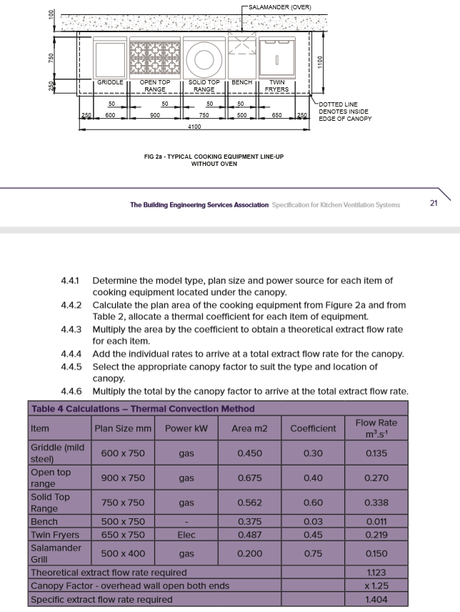
 |  |  |  |  |  |  |  |  | 0.00
 |  |  |  |  |  |  |  |  | 0.00

 |  |  |  |  |  |  | Total |  | 0.00 | m3/s
 |  |  |  |  |  |  | Canopy/Ceiling Factor (*2) |  | 1.25
 |  |  |  |  |  |  | Extract Final Total |  | 0.00 | m3/s

 | (*1) Table 2 DW172 |  |  |  |  |  | Supply Final Total (85% Extract) |  | 0.00 | m3/s
 | (*2) Table 6 DW172

Face Velocity Method |  |  |  |  |  |  |  |  | 0.25 | Low usage
Item | Description | Canopy Plan Size (LxD mm) |  | Area (m2) | Face Velocity (m/s) |  | Flow Rate (m3/s) |  | 0.35 | Medium Usage
 |  |  |  |  |  |  |  | *medium usage | 0.5 | High Usage

Room Area Check (CHECK ONLY)
 |  |  | Room Area Check
 | Room Dims (m) |  |  | Ac/hr | Flow rate
 | L | W | H |  | m3/hr | m3/s

IP 02-05-13-5702 Version 1 |  |  |  |  |  |  |  |  |  |  | BB101

